1. Title Page
[Project Name]

Project Name: Instacart Grocery Basket Analysis
Date: 03/17/2024
Analyst Name: Scarlett Grim

Contents: | Citations:
Population Flow | 1. The Instacart Online Grocery Shopping Dataset 2017, Accessed from www.instacart.com/datasets/grocery-shopping-2017 via Kaggle on 18-02-2024.
Consistency checks | 2. Data on customers and the "prices" column in the 'products' dataset were fabricated for the purpose of this analysis.
Wrangling steps
Column derivations
Visualizations
Recommendations

2. Population Flow
Title page

Population flow

Exclusion flag
Condition: max_order < 5
Obervations to be removed: 2263065
Final total count of order_products_all: 30171424

Orders_products_combined
Orders_products_merged
Orders_products_all

Total: 32434489
Total: 32434489
Total:32434489

1.) The grey boxes in the first row of the population flow represent the original data sets as they were when you downloaded them. In the Total fields you need to add the count of the rows when you imported the data set into Jupyter.
2.) The second row of boxes (coloured) represents the data sets after you manipulated them, e.g., removed missing values and duplicates. In the Total fields you need to add the count of the rows after conducting these operations. This offers a visual oveview of how the data flows throughout the data consistency checks.
3.) The third row, where also the arrows are coloured, represents the merges you performed between the datasets. In the Total fields you need to add the count of the rows in the merged datasets, so that you end up with the final dataset (in the red box). Keep in mind the final dataset should be without exclusions (based on the exclusion flag).

3. Consistency checks
 |  |  |  | Title page
Consistency checks

Dataset | Missing values | Missing values treatment | Duplicates
orders | 206209 values were missing for days_since_prior_order column | No action was necessary to address this because missing values were a result of a consumers making there first order. There cannot be days since prior order when it’s the first order | No duplicates found
products | There were 16 missing values in the product_name column. | These values were removed because they are less than 5% of the data meaning that the removal should have no impact on analysis. | No Duplicates found.
orders_products_prior | No missing values | no missing values | No duplicates found
customers | 11259 missing values in first names | No action required - these columns were ultimately removed due to PII infromation. Given there is user_id each user is still accounted for. | No duplicates found

4. Wrangling steps
 |  |  |  | Title page
Wrangling steps

Columns dropped | Columns renamed | Columns' type changed | Comment/Reason
eval_set |  |  | Not needed for analysis
_merge |  |  | This column was added with each merge. I checked to make sure the merge occurred on all rows and then removed it as it was not needed for analysis.
aisle_id |  |  | Not needed for analysis
 | Surnam |  | last_name - changed for clarity
 | First name |  | first_name - changed for clarity
date_joined |  |  | all the same - not needed for analysis
 | STATE |  | renamed to state - making it easier to use when I needed this variable
 | n_dependents |  | number_of_dependents - for clarity
 | fam_status |  | marital_status - for clarity
 | Age |  | age - for standardization and ease of use
 |  | user_id | changed to string for merge
 | days_since_last_order |  | days_from_last_order for clarity
first_name |  |  | dropped for PII concerns - user_id allows for to still account for each individual user
last_name |  |  | dropped for PII concerns - user_id allows for to still account for each individual user

5. Column derivations
 |  |  |  | Title page

Column derivations and aggregations

In this tab you should add tables below that the frequences of flags/label variables that you produced after deriving them. NB: don't do this for continuous variables, only for flags.
Dataset | New column | Column/s it was derived from | Conditions
ords_prods_merge.pkl | price_range_loc | prices | df_ords_prods.loc[df_ords_prods['prices'] > 15, 'price_range_loc'] = 'High-range product' df_ords_prods.loc[(df_ords_prods['prices'] <= 15) & (df_ords_prods['prices'] > 5), 'price_range_loc'] = 'Mid-rangeproduct'. df_ords_prods.loc[df_ords_prods['prices'] <= 5, 'price_range_loc'] = 'Low-range product'
ords_prods_merge.pkl | busiest_day | orders_day_of_week | result = [] for value in df_ords_prods['orders_day_of_week']: if value == 0: result.append('Busiest day') elif value == 4: result.append('Least busy') else: result.append('Regularly busy') df_ords_prods['busiest_day'] = result
ords_prods_merge.pkl | two_busiest_days | orders_day_of_week | two_busiest_days = [] for value in df_ords_prods['orders_day_of_week']: if value == 0 or value == 1: two_busiest_days.append('Busiest day') elif value == 4 or value == 3: two_busiest_days.append('Least busy') else: two_busiest_days.append('Regularly busy') df_ords_prods['two_busiest_days'].value_counts(dropna = False)
ords_prods_merge.pkl | busiest_hour | order_hour_of_day | busiest_hour = [] for value in df_ords_prods['order_hour_of_day']: if value in [10, 11, 14, 15, 13, 12, 16, 9]: busiest_hour.append('Most Orders') elif value in [17, 8, 18, 19, 20, 7, 21, 22]: busiest_hour.append('Average orders') else: busiest_hour.append('Fewest orders') df_ords_prods['busiest_period_of_day'] = busiest_hour
ords_prods_merged_derived.pkl | max_order | user_id & order_number | df_ords_prods_merge['max_order'] = df_ords_prods_merge.groupby(['user_id'])['order_number'].transform(np.max)
ords_prods_merged_derived.pkl | loyalty_flag | max_order | df_ords_prods_merge.loc[df_ords_prods_merge['max_order'] > 40, 'loyalty_flag'] = 'Loyal customer' df_ords_prods_merge.loc[(df_ords_prods_merge['max_order'] <= 40) & (df_ords_prods_merge['max_order'] > 10), 'loyalty_flag'] = 'Reglar customer' df_ords_prods_merge.loc[df_ords_prods_merge['max_order'] <= 10, 'loyalty_flag'] = 'New customer'
ords_prods_merged_derived.pkl | average_spend | user_id & prices | df_ords_prods_merge['avg_spend'] = df_ords_prods_merge.groupby(['user_id'])['prices'].transform(np.mean)
ords_prods_merged_derived.pkl | spending_flag | avg_spend | df_ords_prods_merge.loc[df_ords_prods_merge['avg_spend'] >= 10, 'spending_flag'] = 'High Spender' df_ords_prods_merge.loc[df_ords_prods_merge['avg_spend'] < 10, 'spending_flag'] = 'Low Spender'
ords_prods_merged_derived.pkl | med_days_since_last_order | user_id & days_from_last_order | df_ords_prods_merge['med_days_since_last_order'] = df_ords_prods_merge.groupby(['user_id'])['days_from_last_order'].transform(np.median)
ords_prods_merged_derived.pkl | frequency_flag | med_days_since_last_order | df_ords_prods_merge.loc[df_ords_prods_merge['med_days_since_last_order'] > 20, 'Frequency_flag'] = 'Non-Frequent Customer' df_ords_prods_merge.loc[(df_ords_prods_merge['med_days_since_last_order'] <= 20) & (df_ords_prods_merge['med_days_since_last_order'] > 10), 'Frequency_flag'] = 'Reglar customer' df_ords_prods_merge.loc[df_ords_prods_merge['med_days_since_last_order'] <= 10, 'Frequency_flag'] = 'Frequent customer'
orders_products_all.pkl | region | state | df_ords_prods['region'] = 'West' df_ords_prods.loc[df_ords_prods['state'].isin(['Maine', 'New Hampshire', 'Vermont', 'Massachusetts', 'Rhode Island', 'Connecticut', 'New York', 'Pennsylvania', 'New Jersey']), 'region'] = 'Northeast' df_ords_prods.loc[df_ords_prods['state'].isin(['Wisconsin', 'Michigan', 'Illinois', 'Indiana', 'Ohio', 'North Dakota', 'South Dakota', 'Nebraska', 'Kansas', 'Minnesota', 'Iowa', 'Missouri']), 'region'] = 'Midwest' df_ords_prods.loc[df_ords_prods['state'].isin(['Delaware', 'Maryland', 'District of Columbia', 'Virginia', 'West Virginia', 'North Carolina', 'South Carolina', 'Georgia', 'Florida', 'Kentucky', 'Tennessee', 'Mississippi', 'Alabama', 'Oklahoma', 'Texas', 'Arkansas', 'Louisiana']), 'region'] = 'South'
orders_products_all.pkl | activity_flag | max_order | df_ords_prods.loc[df_ords_prods['max_order'] > 5, 'activity_flag'] = 'High activity' df_ords_prods.loc[df_ords_prods['max_order'] <= 5, 'activity_flag'] = 'Low activity'
orders_products_all.pkl | income_category | income | #setting income thresholds for low and high income low_income_threshold = 50000 high_income_threshold = 100000 #creating an income category column df_ords_prods['income_category'] = pd.cut( df_ords_prods['income'], bins =[-float('inf'), low_income_threshold, high_income_threshold, float('inf')], labels=['low income', 'middle income', 'high income'], include_lowest= True)
orders_products_all.pkl | age_group | age | #create age_group column with value as 'Unknown' df_ords_prods['age_group'] = 'Unknown' df_ords_prods.loc[(df_ords_prods['age'] >= 18) & (df_ords_prods['age'] <= 28), 'age_group'] = 'young adult' df_ords_prods.loc[(df_ords_prods['age'] >= 29) & (df_ords_prods['age'] <= 40), 'age_group'] = 'adult' df_ords_prods.loc[(df_ords_prods['age'] >= 41) & (df_ords_prods['age'] <= 55), 'age_group'] = 'middle-aged' df_ords_prods.loc[(df_ords_prods['age'] >= 56) & (df_ords_prods['age'] <= 70), 'age_group'] = 'senior' df_ords_prods.loc[(df_ords_prods['age'] >= 71) & (df_ords_prods['age'] <= 82), 'age_group'] = 'elderly'
orders_products_all.pkl | dependent_flag | number_of_dependents | #define a function to apply the condition def create_dependent_flag(dependents): if dependents == 0: return 'no dependents' else: return 'Dependents' #apply the function to create the a dependents_flag column df_ords_prods['dependent_flag'] = df_ords_prods['number_of_dependents'].apply(lambda x: create_dependent_flag(x))
orders_products_all.pkl | customer_profile | age_group, income_category and dependent_flag | df_ords_prods['customer_profile'] = df_ords_prods['age_group'] + ', ' + df_ords_prods['income_category'] + ', ' + df_ords_prods['dependent_flag']
orders_products_all.pkl | department_name | department_id | df_ords_prods['department_name'] = df_ords_prods['department_id'].map(department_mapping).fillna("missing")

6. Visualizations
Title page

Visualisations

In this tab you should include all the visualtions from Exercises 4.9 and 4.10, alongside the questions from the project brief that they answer. Include any commentary on the relationship between different variables.

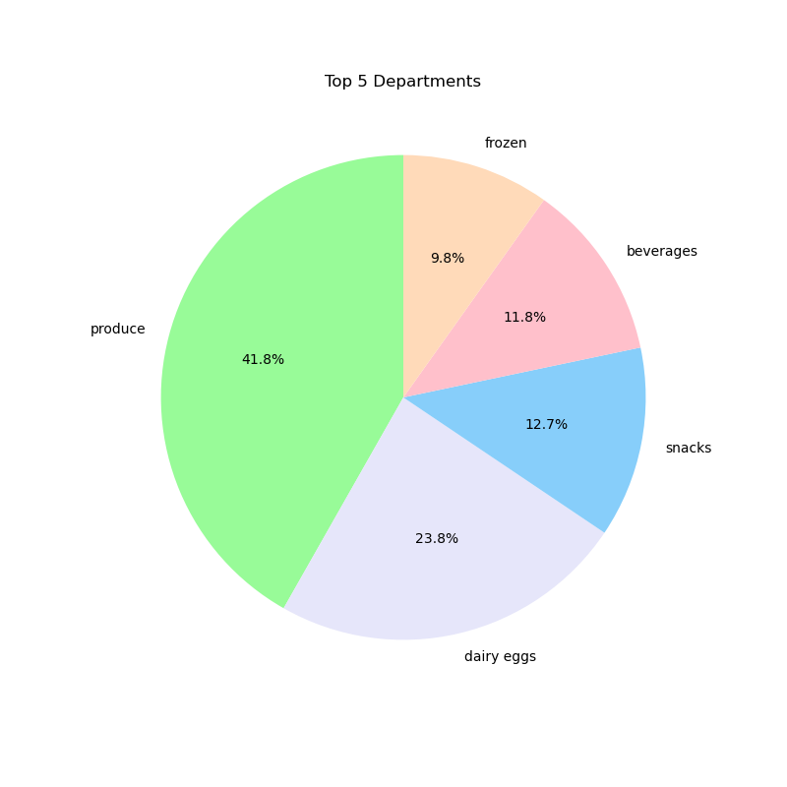

Are there certain types of products that are more popular than others? The marketing and sales teams want to know which departments have the highest frequency of product orders.
This pie chart displays the top 5 departments and the purchases were normalized into percentages to see how of the top 5 departments where did each of the top 5 stand. It
Produce is the highest department, followed by dairy and eggs.
These percentages are not for the total departments but only the top 5.

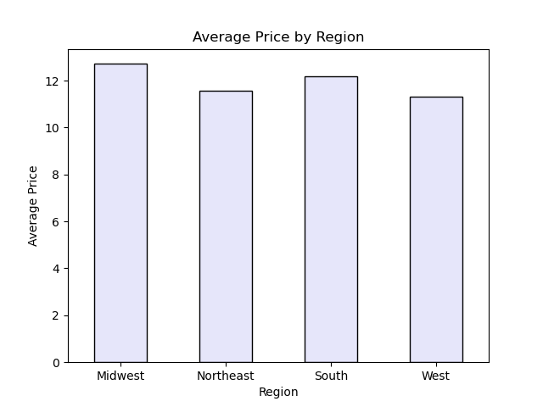

Are there differences in ordering habits based on a customer’s region?
This shows ordering habits by average price according to region to see that the midwest tends to spend the most money on average per order.

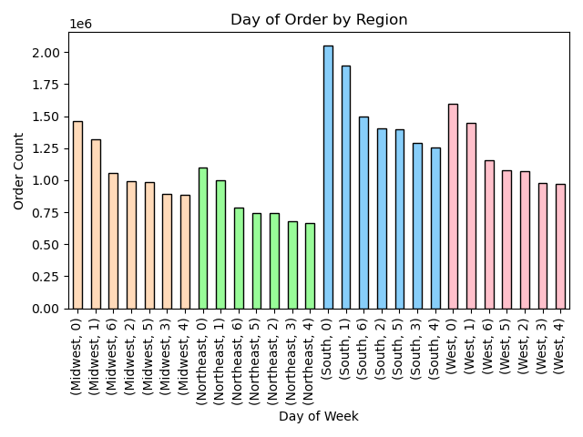

Are there differences in ordering habits based on a customer’s region?
This bar graph shows the most popular days of the week in temrs of average order count by region. The most popular days remain by region but the most popular day (saturday) is much more popular in the south compared to the least amount of orders placed in the northeast.

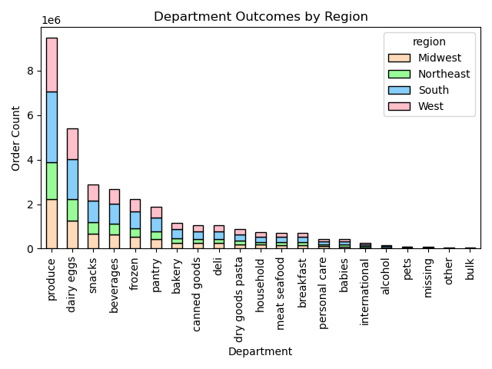

Are there differences in ordering habits based on a customer’s region?
Are there certain types of products that are more popular than others? The marketing and sales teams want to know which departments have the highest frequency of product order.
This shows the most popular department and how the products bought in that department vary by region. So in the most popular department - produce you can see that the south makes up the majority of the purchases and the northeast makes up the least.

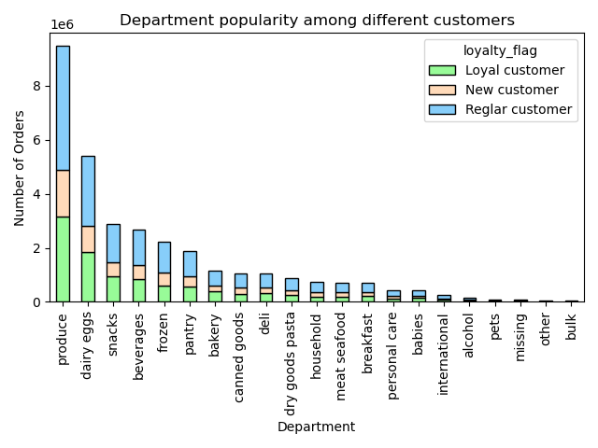

What’s the distribution among users in regards to their brand loyalty (i.e., how often do they return to Instacart)?
Are there differences in ordering habits based on a customer’s loyalty status?
This shows every department and the distribution of orders placed based on loyalty. So in each deparement you can see the proportions of orders based on customer loyalty

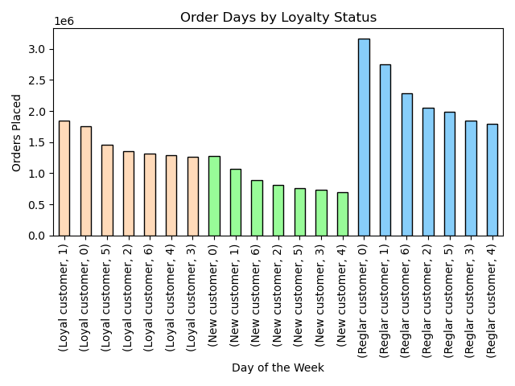

Are there differences in ordering habits based on a customer’s loyalty status?
The sales team needs to know what the busiest days of the week and hours of the day are (i.e., the days and times with the most orders) in order to schedule ads at times when there are fewer orders.
This chart looks at loyalty status, days of the week and orders placed. So for each loyalty status you can see the busiest day of the week and the least busy day of hte week. The top 2 busiest days - saturday and sunday are consistent across loyalty groups.

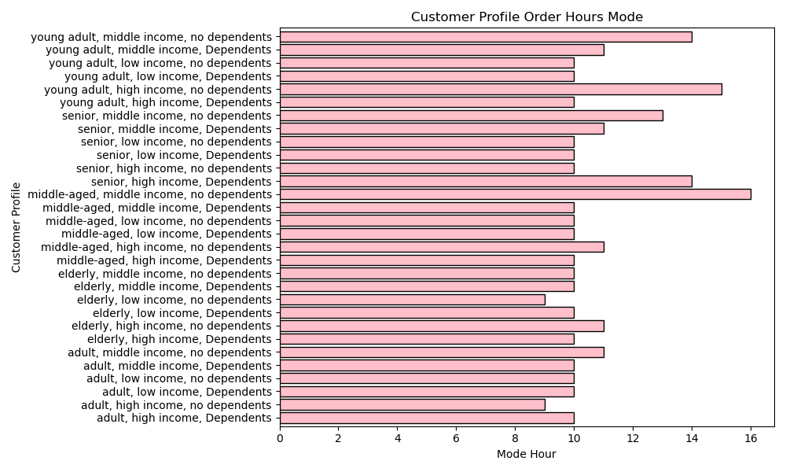

What differences can you find in ordering habits of different customer
profiles? Consider the price of orders, the frequency of orders, the products customers are ordering, and anything else you can think of.
They also want to know whether there are particular times of the day when people spend the most money, as this might inform the type of products they advertise at these times.
This looks age, income range and dependents in terms of what is the most popular hour for ordering. So you can see that the majority groups order around 10 am.

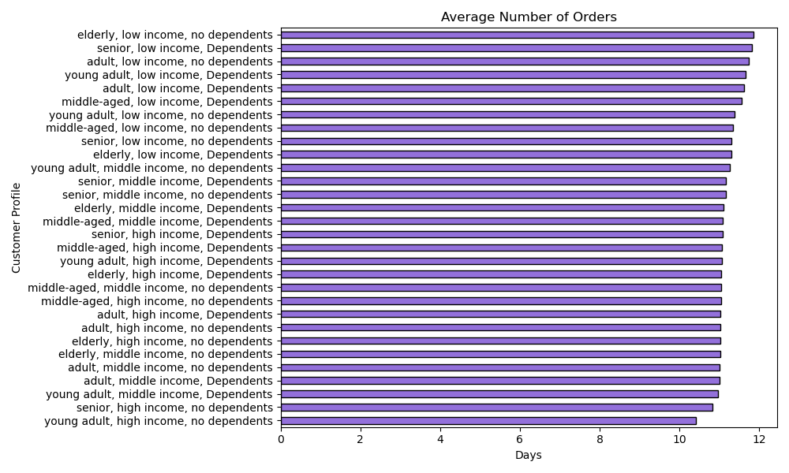

What differences can you find in ordering habits of different customer
profiles? Consider the price of orders, the frequency of orders, the products customers are ordering, and anything else you can think of.
This looks at the average number of order based on customer profile which is a combination of age, income and dependents. you can see that the average amount of orders is around 10-11

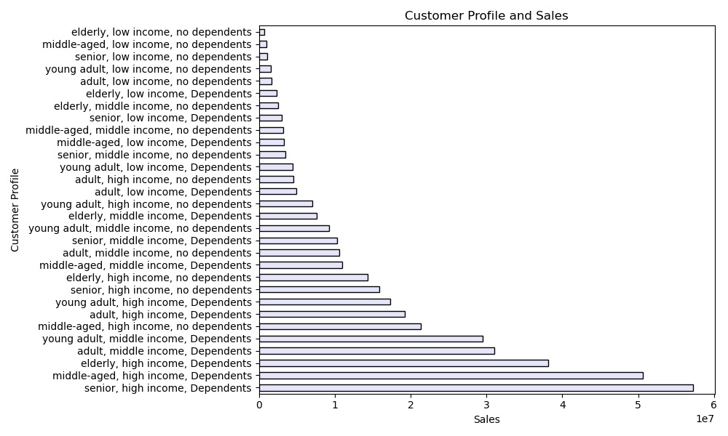

What differences can you find in ordering habits of different customer
profiles? Consider the price of orders, the frequency of orders, the products customers are ordering, and anything else you can think of.
Instacart has a lot of products with different price tags. Marketing and sales want to use simpler price range groupings to help direct their efforts.
This looks at cusotmer profile by average sales to see that the average price of items purchased. It shows who purchases the least expensive items being elderly low income people with no dependents and who spends the most per item being seniors with high income and dependents.

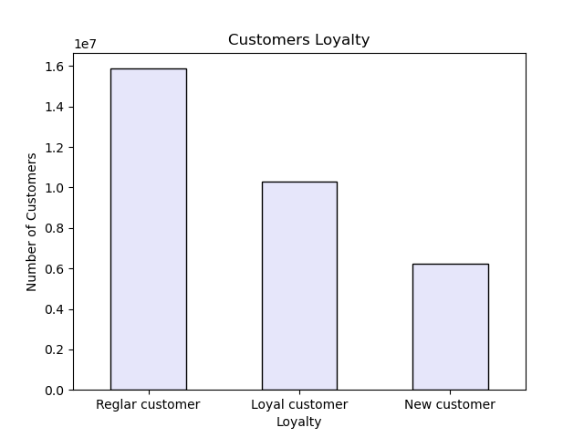

What’s the distribution among users in regards to their brand loyalty (i.e., how often do they return to Instacart)?
This shows the distrubituion of total customers based on loyalty status. Most of the users are regular customers and fewest users are new customers.

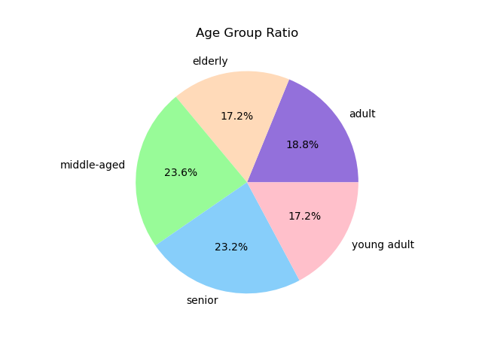

What different classifications does the demographic information suggest?
Age? Income? Certain types of goods? Family status?
This pie chart shows the distribution of users by age. With middle aged people being the majority of who uses instacart and elderly and young adult being who uses instacart the least.

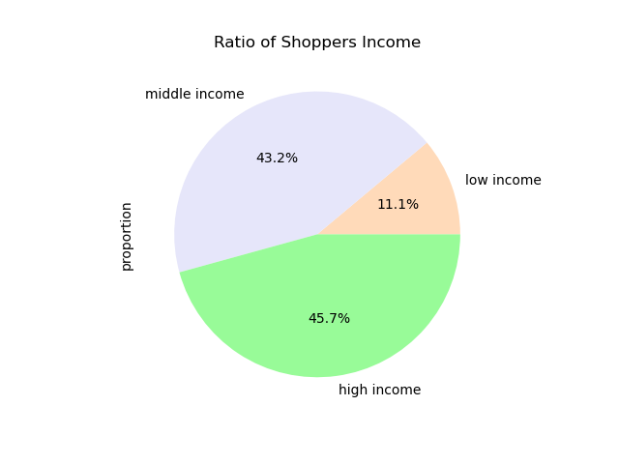

What different classifications does the demographic information suggest?
Age? Income? Certain types of goods? Family status?
This looks at the ratio of total shoppers based on income. High income individuals use this platform the most and low income individuals use the platform the least.

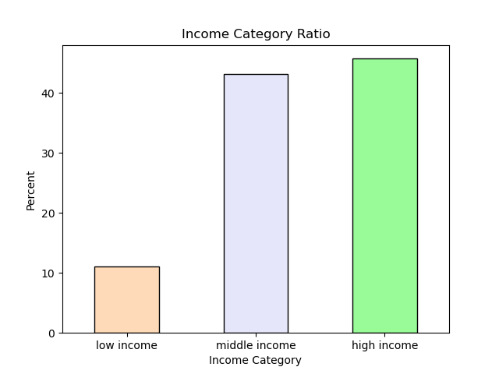

What different classifications does the demographic information suggest?
Age? Income? Certain types of goods? Family status?
This shows the percentage of users based on income status.

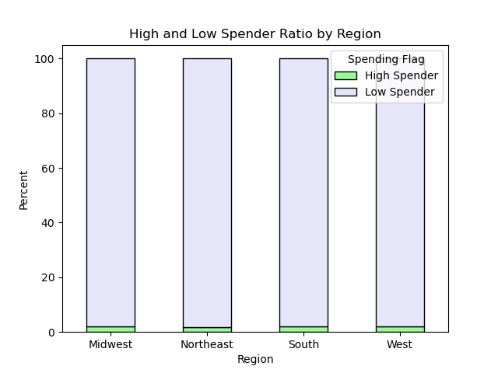

What different classifications does the demographic information suggest?
Age? Income? Certain types of goods? Family status?
Are there differences in ordering habits based on a customer’s region?
This looks at the percentage of who is spending money in each region. So in every region anyone consider a high spender is who is spending over 90% of the total in each region.

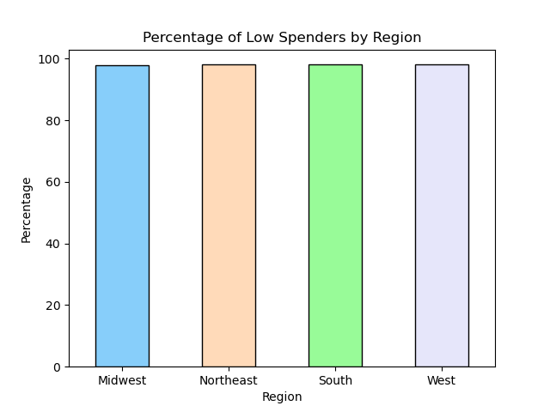

What different classifications does the demographic information suggest?
Age? Income? Certain types of goods? Family status?
Are there differences in ordering habits based on a customer’s region?
This graph shows the amount of spenders in each region normalized. It shows you have about the same amount of low spenders in each region with it making up the majority of who uses instacart.

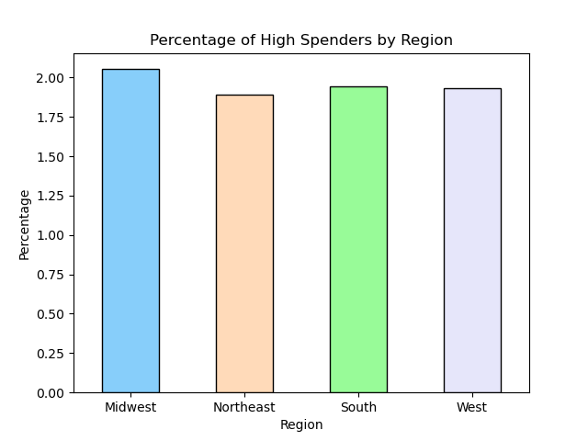

What different classifications does the demographic information suggest?
Age? Income? Certain types of goods? Family status?
Are there differences in ordering habits based on a customer’s region?
This shows a standardized percentage of high spenders. As you can see on the left hand side the amount of high spenders reaches only 2% in the highest region (midwest) and this further demonstrates that high spenders are a minority of users.

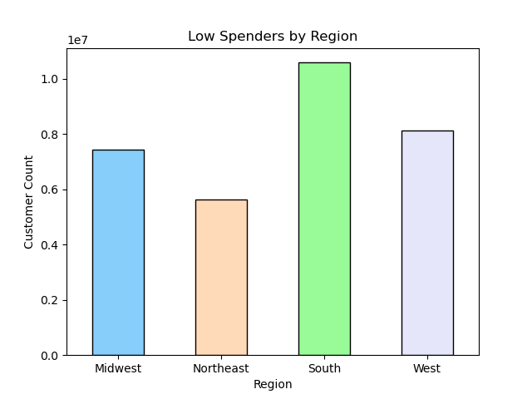

What different classifications does the demographic information suggest?
Age? Income? Certain types of goods? Family status?
Are there differences in ordering habits based on a customer’s region?
This shows the proportion out of 1 of low spenders by region before the data was normalized.

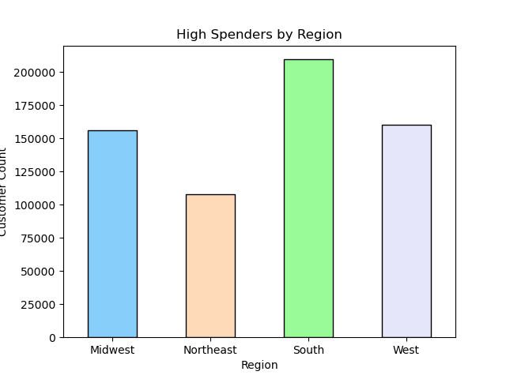

What different classifications does the demographic information suggest?
Age? Income? Certain types of goods? Family status?
Are there differences in ordering habits based on a customer’s region?
This hsows the proportion out of 1 of high spenders by region before the data was normalized.



What different classifications does the demographic information suggest?
Age? Income? Certain types of goods? Family status?
This line graph shows the number of depndents based on age. There is no mattern and it seems to vary.



The sales team needs to know what the busiest days of the week and hours of the day are (i.e., the days and times with the most orders) in order to schedule ads at times when there are fewer orders.
They also want to know whether there are particular times of the day when people spend the most money, as this might inform the type of products they advertise at these times.
This graph looks at the average cost per item by hour of the day. You can see that the most costly items are purhased around 1 and 5am.

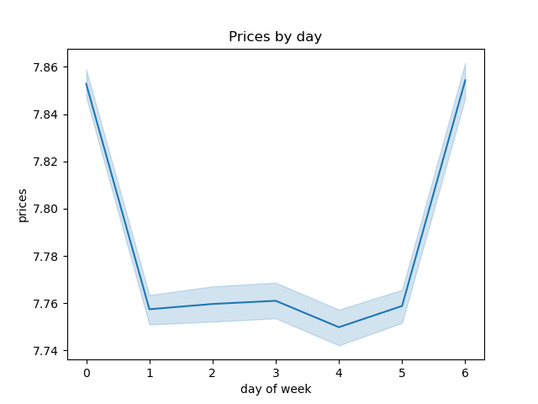

The sales team needs to know what the busiest days of the week and hours of the day are (i.e., the days and times with the most orders) in order to schedule ads at times when there are fewer orders.
They also want to know whether there are particular times of the day when people spend the most money, as this might inform the type of products they advertise at these times.
This looks at the busiest days ofthe week compared to average price. It shows the most m oney is spent on saturday and sunday.



The sales team needs to know what the busiest days of the week and hours of the day are (i.e., the days and times with the most orders) in order to schedule ads at times when there are fewer orders.
They also want to know whether there are particular times of the day when people spend the most money, as this might inform the type of products they advertise at these times.
This shows the frequency of orders based on hour of the day showing that the most orders are placed between 8am and 6pm with a peak between 11am and 4pm.



The sales team needs to know what the busiest days of the week and hours of the day are (i.e., the days and times with the most orders) in order to schedule ads at times when there are fewer orders.
This looks at the amount of orders by day of the week showing that saturday and sunday have the most orders on average.



What’s the distribution among users in regards to their brand loyalty (i.e., how often do they return to Instacart)?
This shows that regular customers are the most loyal ollowed by loyal customers and lastly new customers.

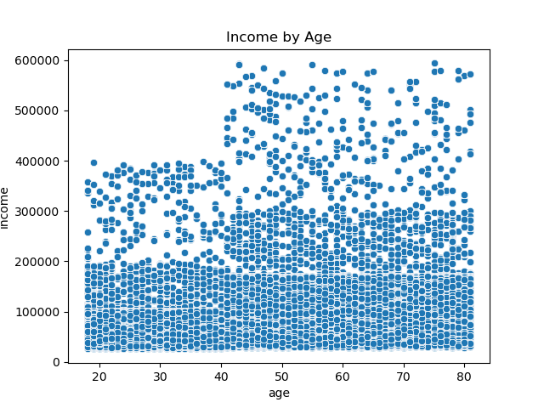

Is there a connection between age and family status in terms of ordering
habits?
What different classifications does the demographic information suggest?
Age? Income? Certain types of goods? Family status?
This shows age and income to see what distribution of income makes up the bulk of orders and which makes up the least. You can see that between 0 and 200,000 makes up the most amount of orders across all ages. Then as you move to the 200,000 to 300,000 income that the distribution shifts to those 40+ and in income above 400,000 users are only in the 40+ age range.



● Instacart has a lot of products with different price tags. Marketing and sales want to use simpler price range groupings to help direct their efforts.
This graph shows the distribution of items by price. It shows there are the most items purchased between 5 and 10 dollars and almost no items purchased over 15$

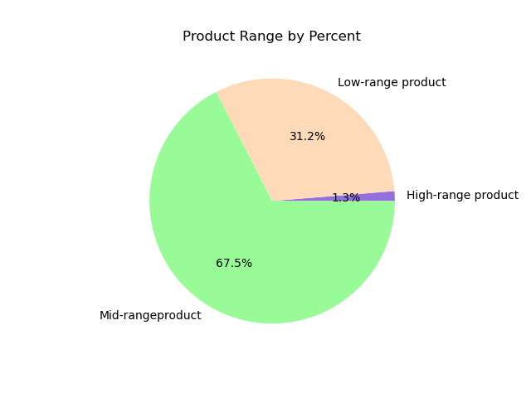

● Instacart has a lot of products with different price tags. Marketing and sales want to use simpler price range groupings to help direct their efforts.
This graph shows the percentage of products purchased in each price range.

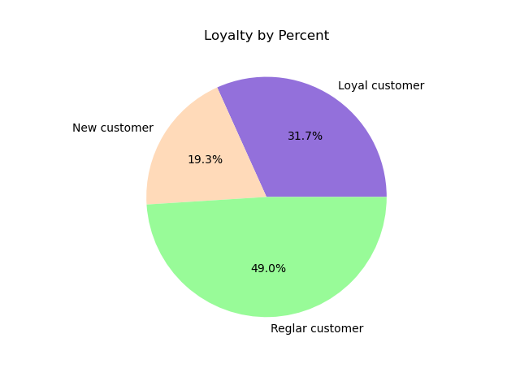

What’s the distribution among users in regards to their brand loyalty (i.e., how often do they return to Instacart)?
This graph shows the percentage of customers based on loyalty.

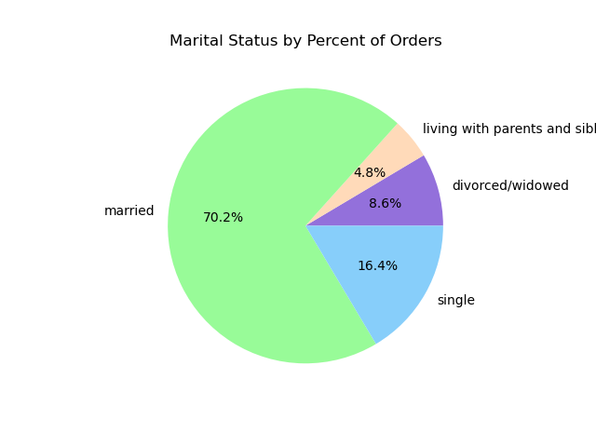

Is there a connection between age and family status in terms of ordering habits?
This pie chart shows percent of orders by marital status.

7. Recommendations
 |  | Title page

Recommendations

In this tab you should include any recommendations you would made to Instcart in terms of their marketing strategy based on the questions posed in the brief. Every key question has been covered in the Tasks of the Exercises - here you need to add an item - a visualisation or table/crosstable that is showing the answer in the data, acompanied by a comment from you. Please, list the questions below and add the answer underneath.

Question | Answer
Key Question 1
Key Question 2
Key Question 3
Key Question 4
Key Question 5
Key Question 6
Key Question 7

1. The sales team needs to know what the busiest days of the week and hours of the
day are (i.e., the days and times with the most orders) in order to schedule ads at
times when there are fewer orders.

Recommendations:
The sales team needs to make ad priority to run adds for the second most popular shopping times - which is between 5pm and 11pm. This has the most potential to get users up to the equivelent of peak time.
Saturday and sunday are the busiest days of the week so I would recommend focusing adds for monday through friday to try and get usage to match those peak days in terms of higher order quantity.

2. They also want to know whether there are particular times of thed ay when people spend the most money,
as this might inform the type of products they advertise at these times.

Recommendations:
In the early morning from around 3am the average price per order is the highest, and the average price drops steadily until 10am and increases until 7pm. People tend to spend the most money when they are likley in dire need in the middle of the night. This data may suggest that ads should be ran during these hours to convince customers to spendmore money.
Additionally we can see again that the peak orders take place on Saturday and Sunday so I would recommend running ads monday through friday to increase sales.

3. Instacart has a lot of products with different price tags. Marketing and sales want to
use similar price range grouipings to help direct their efforts.

Recommendations:
In the early morning from around 3am the average price per order is the highest, and the average price drops steadily until 10am and increases until 7pm. People tend to spend the most money when they are likley in dire need in the middle of the night. This data may suggest that ads should be ran during these hours to convince customers to spendmore money.
Additionally we can see again that the peak orders take place on Saturday and Sunday so I would recommend running ads monday through friday to increase sales.

4. Are there certain types of products that are more popular than others?
The marketing and sales teams want toknow which departments have the highest frequency of product orders.

Recommendations:
The top 5 departments are produce, dairy eggs, snacks, beverages and frozen. In terms of ads if you want to market what is selling I would recommend this. However if the goal is to boost sales in less popular departments I would market towards departments other than these 5.

5. Whats the distribution among users in regards to their brand loyalty?
(i.e., how often do they return to instacart)

Recommendations:
Almost 50% (49%) of customers fall in the 'Regular Customer" category and these are poeple who return within a rate of 10 to 20 days. The 'Loyal Cusotmers' return within 10 day and make up 31.7% of customers while 15.5% of customers make up your 'New Customers'. It is likely that most people fall in the 10-20 day range of 'Regular Customer' because this is often the frequency of grocery shopping for busy individuals. Given that the majority of customers fall into the 'Regular Customer' category I would recommend marketing to 'New Customers' to continue to build your base of regular customers.

6. Are there differences in ordering habits based on a customer's loyalty status?

Recommendations:
Loyalty status seems to have no effect on customer ordering habits. The most orders are placed on the weekends - Saturday and Sunday and the least amount of orders are placed on Tuesday and Wednesday. I would recommend running ads to get more customers on these least popular days.

7. Are there differneces in ordering habits based on a customer's region?

Recommendations:
The amount of high spenders and low spenders when normalized to a ratio is almost the exact same in every region. For all regions the busiest days (Saturday and Sunday) and the slowsest day (Wednesday) are the same. I would market the same across all regions when it comes to which hours you want to increase spending and trying to get customers to spend more money. I would recommend running a deal or some sort of marketing ad on wednesdays and targeting ads on your 'Low Spenders' becuase this is the majority of shoppers.

8. Is there a connection between age and family status in terms of ordering habits?

Recommendations:
70.2% of all customers are married and we should focus on this demographic given that it is the bulk of the customer base.
In terms of age - middle aged individuals make up the most of the demographic however given how close the ratios are I would recommend targeting people of all age.

9. What different classifications does the demographic information suggest? Age? Income? Certain types of goods? Family status?

Recommendations:
This scatterplot shows that people who make the most money tend to exist only in the 40+ demographic. Targeting these people can lead to increased spending as they have the most amount of money and are the most likely to rasie the 'high spender' category. As seen earlier the high spenders make up the smallest percent of customers. Targeting the highest income individuals could allow for this percentage to increase.

10. What differences can you find in ordering habits based on different customer profiles?
Consider the price of orders, the frequency of orders, the products custoemrs are orering and anything else you can think of.

Recommendations:
Amongst consumer profiles, order frequency remains relatively similar along with mode of order hour. The difference is seen in sales where you can see that middle and high income individuals with dependents spend the most, therefore generating the most in sales. The sales and marketing team should target these middle and high income - with dependent demographics. These indivdiuals have more money and have less time given dependents and they are most likley to be attracted back to using the app out of convenience.

